MTD Business Economics Tracking
CALL FUNNEL ECONOMICS

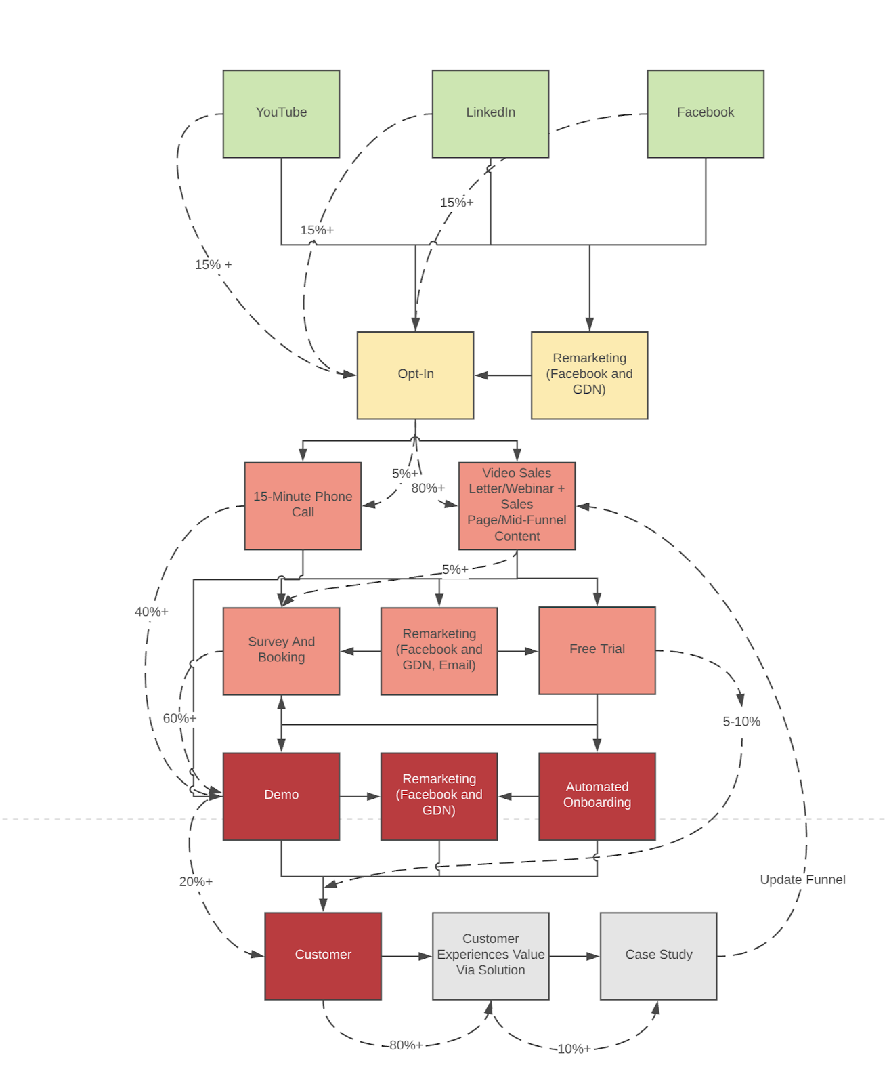
Variable | Value | Note | KPI | Figure 1) Paid Traffic + Inside Sales Schematic
CPM | $40.00 | Cost per 1000 impressions on Facebook and LinkedIn ranges from $25-$35 | $35
CTR | 1.00% | CTR = Click Through Rate. A 1-3% CTR can be achieved with the right ad angle and copy. | 1%
CPC | $4.00 | Cost per click should be around $3-4 | $5
Opt-In Rate | 20.00% | An opt-in rate of 15-30% can be achieved using a piece of content/lead magnet that can be created and tested using the Salesprocess.io framework. | 15%
Cost Per Lead | $20.00 | Ad spend divided by # of leads. | $20
Lead > Call Conversion % | 8.00% | # of leads divided by the # of calls booked. The benchmark demo conversion rate is 10-20%. | 8%
Cost Per Call | $500.00 | Ad spend divided by the # of calls booked. | $250
Demo Show Up Rate | 80% | One must account for the show up rate. Can drop during summer and holidays. | 65%
Demo Close Rate | 25.00% | A high-performing inside sales team with the right script and assets will achieve close rates of over 20%. This 20% standard can achieved by a junior person with 1-3 months training on the right framework. Experienced salespeople (8 months-13 months) can achieve 50%+ conversion rates. | 20%
CPA (Ads) | $2,500.00 | Cost to acquire a customer (ads only). | $2,000
Sales Rep Commission (% of Gross Contribution) | 12% | For a high-ticket offer, 10% is the commission rate that will keep the sales team motivated and aligned. | N/A
Commission (Conversion) | $420.00 | Sales rep commission. | N/A
CPA (Total) | $2,920.00 | The total cost to acquire a customer is extremely important and should be tracked at all times. (Marketing spend + sales commission) | $3,500
Annual Gross Contribution | $3,500.00 | Paid traffic and inside sales works best for offers with gross contribution >$3k per sale. | N/A
Gross Contribution in 7 Days (if paid monthly) | $3,500.00 | It is better to sell upfront deals to manage cash flow and recoup CPA immediately. | $6,000
ROI (Revenue) | 19.86%
ROI (Cash 30 Days) | 19.86%
Profit Per Customer | $580.00

Ad Tracker (New)
[CLIENT NAME] |  | Inbound Calls | Spend | CPA (Call) | Total Calls | Abandoned Cart Calls | Total CPA | Revenue | AOV | Unique Clicks | CPM | CPC | Reach | Unique CTR | CVR | Adds to Cart | ATC CVR | Cost per ATC | Leads (Web) | Lead CVR | Cost per Lead | Lead > Call CVR % | Outbound Calls | MTD | Budget Remaining | Budget Per Day Remaining | 0.00% | 0.00
 |  | 53 | $10,104.22 | $190.65 | 53 | 0 | $191 | $0.00 | $0.00 | 2,516 | $28.20 | $4.02 | 0 | 0.81% | 2.1% | 0 | 0.0% | $0 | 544 | 21.6% | $19 | 9.74% | 6 |  | $89,895.78 | -$141.35
November |  | EOD - Ads Manager |  |  | Liquidation Dashboard Totals |  |  |  |  | Other Metrics (from Ads Manager) |  |  |  |  |  |  |  |  |  |  |  |  |  | November |  |  | Notes
11/1/2021 |  | Calls | Spend | CPA | Total Calls | Abandoned Cart Calls | Total CPA | Revenue | AOV | Unique Clicks | CPM | CPC | Reach | Unique CTR | CVR | Add to Cart | ATC CVR | Cost Per ATC | Leads | Lead CVR | Cost Per Lead | Lead > Call CVR % | Outbound Callls Set | #REF! | Total Calls/Day | Total Cost/Call | ROAS |  | CPA | ROAS
Cost Per Call vs Time
TRUE | 2021-11-01 | 5 | $2,057 | $411.39 | 5 | 0 | $411 | $0 | $0 | 625 | $23.83 | $3.29 | 0 | 0.80% | 0.8% | 0 | 0.0% | $0 | 85 | 13.6% | $24 | 5.88% | 4 | 2021-11-01 | 9 | $228.55 | 0.00 |  | 411.39 | 0.00
TRUE | 2021-11-02 | 7 | $2,734 | $390.50 | 7 | 0 | $391 | $0 | $0 | 652 | $30.44 | $4.19 | 0 | 0.78% | 1.1% | 0 | 0.0% | $0 | 157 | 24.1% | $17 | 4.46% | 1 | 2021-11-02 | 8 | $341.69 | 0.00 |  | 390.50 | 0.00
TRUE | 2021-11-03 | 11 | $2,735 | $248.63 | 11 | 0 | $249 | $0 | $0 | 643 | $28.95 | $4.25 | 0 | 0.77% | 1.7% | 0 | 0.0% | $0 | 150 | 23.3% | $18 | 7.33% | 1 | 2021-11-03 | 12 | $227.91 | 0.00 |  | 248.63 | 0.00
TRUE | 2021-11-04 | 30 | $2,579 | $85.96 | 30 | 0 | $86 | $0 | $0 | 596 | $29.58 | $4.33 | 0 | 0.90% | 5.0% | 0 | 0.0% | $0 | 152 | 19.7% | $17 | 19.74% | 0 | 2021-11-04 | 30 | $85.96 | 0.00 |  | 85.96 | 0.00
FALSE | 2021-11-05 | 0 | $0 | $0.00 | 0 | 0 | $0 | $0 | $0 | 0 |  | $0.00 | 0 |  | 0.0% | 0 | 0.0% | $0 | 0 | 0.0% | $0 | $0 | 0 | 2021-11-05 | 0 | #DIV/0! | #DIV/0! |  | 0.00 | #DIV/0!
FALSE | 2021-11-06 | 0 | $0 | $0.00 | 0 | 0 | $0 | $0 | $0 | 0 |  | $0.00 | 0 |  | 0.0% | 0 | 0.0% | $0 | 0 | 0.0% | $0 | $0 | 0 | 2021-11-06 | 0 | #DIV/0! | #DIV/0! |  | 0.00 | #DIV/0!
FALSE | 2021-11-07 | 0 | $0 | $0.00 | 0 | 0 | $0 | $0 | $0 | 0 |  | $0.00 | 0 |  | 0.0% | 0 | 0.0% | $0 | 0 | 0.0% | $0 | $0 | 0 | 2021-11-07 | 0 | #DIV/0! | #DIV/0! |  | 0.00 | #DIV/0!
FALSE | 2021-11-08 | 0 | $0 | $0.00 | 0 | 0 | $0 | $0 | $0 | 0 |  | $0.00 | 0 |  | 0.0% | 0 | 0.0% | $0 | 0 | 0.0% | $0 | $0 | 0 | 2021-11-08 | 0 | #DIV/0! | #DIV/0! |  | 0.00 | #DIV/0!
FALSE | 2021-11-09 | 0 | $0 | $0.00 | 0 | 0 | $0 | $0 | $0 | 0 |  | $0.00 | 0 |  | 0.0% | 0 | 0.0% | $0 | 0 | 0.0% | $0 | $0 | 0 | 2021-11-09 | 0 | #DIV/0! | #DIV/0! |  | 0.00 | #DIV/0!
FALSE | 2021-11-10 | 0 | $0 | $0.00 | 0 | 0 | $0 | $0 | $0 | 0 |  | $0.00 | 0 |  | 0.0% | 0 | 0.0% | $0 | 0 | 0.0% | $0 | $0 | 0 | 2021-11-10 | 0 | #DIV/0! | #DIV/0! |  | 0.00 | #DIV/0!
FALSE | 2021-11-11 | 0 | $0 | $0.00 | 0 | 0 | $0 | $0 | $0 | 0 |  | $0.00 | 0 |  | 0.0% | 0 | 0.0% | $0 | 0 | 0.0% | $0 | $0 | 0 | 2021-11-11 | 0 | #DIV/0! | #DIV/0! |  | 0.00 | #DIV/0!
FALSE | 2021-11-12 | 0 | $0 | $0.00 | 0 | 0 | $0 | $0 | $0 | 0 |  | $0.00 | 0 |  | 0.0% | 0 | 0.0% | $0 | 0 | 0.0% | $0 | $0 | 0 | 2021-11-12 | 0 | #DIV/0! | #DIV/0! |  | 0.00 | #DIV/0!
FALSE | 2021-11-13 | 0 | $0 | $0.00 | 0 | 0 | $0 | $0 | $0 | 0 |  | $0.00 | 0 |  | 0.0% | 0 | 0.0% | $0 | 0 | 0.0% | $0 | $0 | 0 | 2021-11-13 | 0 | #DIV/0! | #DIV/0! |  | 0.00 | #DIV/0!
FALSE | 2021-11-14 | 0 | $0 | $0.00 | 0 | 0 | $0 | $0 | $0 | 0 |  | $0.00 | 0 |  | 0.0% | 0 | 0.0% | $0 | 0 | 0.0% | $0 | $0 | 0 | 2021-11-14 | 0 | #DIV/0! | #DIV/0! |  | 0.00 | #DIV/0!
FALSE | 2021-11-15 | 0 | $0 | $0.00 | 0 | 0 | $0 | $0 | $0 | 0 |  | $0.00 | 0 |  | 0.0% | 0 | 0.0% | $0 | 0 | 0.0% | $0 | $0 | 0 | 2021-11-15 | 0 | #DIV/0! | #DIV/0! |  | 0.00 | #DIV/0!
FALSE | 2021-11-16 | 0 | $0 | $0.00 | 0 | 0 | $0 | $0 | $0 | 0 |  | $0.00 | 0 |  | 0.0% | 0 | 0.0% | $0 | 0 | 0.0% | $0 | $0 | 0 | 2021-11-16 | 0 | #DIV/0! | #DIV/0! |  | 0.00 | #DIV/0!
FALSE | 2021-11-17 | 0 | $0 | $0.00 | 0 | 0 | $0 | $0 | $0 | 0 |  | $0.00 | 0 |  | 0.0% | 0 | 0.0% | $0 | 0 | 0.0% | $0 | $0 | 0 | 2021-11-17 | 0 | #DIV/0! | #DIV/0! |  | 0.00 | #DIV/0!
FALSE | 2021-11-18 | 0 | $0 | $0.00 | 0 | 0 | $0 | $0 | $0 | 0 |  | $0.00 | 0 |  | 0.0% | 0 | 0.0% | $0 | 0 | 0.0% | $0 | $0 | 0 | 2021-11-18 | 0 | #DIV/0! | #DIV/0! |  | 0.00 | #DIV/0!
AOV vs Time
FALSE | 2021-11-19 | 0 | $0 | $0.00 | 0 | 0 | $0 | $0 | $0 | 0 |  | $1.99 | 0 |  | 1.1% | 0 | 0.0% | $0 | 0 | 0.0% | $0 | $0 | 0 | 2021-11-19 | 0 | #DIV/0! | #DIV/0! |  | 0.00 | #DIV/0!
FALSE | 2021-11-20 | 0 | $0 | $0.00 | 0 | 0 | $0 | $0 | $0 | 0 |  | $0.00 | 0 |  | 0.0% | 0 | 0.0% | $0 | 0 | 0.0% | $0 | $0 | 0 | 2021-11-20 | 0 | #DIV/0! | #DIV/0! |  | 0.00 | #DIV/0!
FALSE | 2021-11-21 | 0 | $0 | $0.00 | 0 | 0 | $0 | $0 | $0 | 0 |  | $0.00 | 0 |  | 0.0% | 0 | 0.0% | $0 | 0 | 0.0% | $0 | $0 | 0 | 2021-11-21 | 0 | #DIV/0! | #DIV/0! |  | 0.00 | #DIV/0!
FALSE | 2021-11-22 | 0 | $0 | $0.00 | 0 | 0 | $0 | $0 | $0 | 0 |  | $0.00 | 0 |  | 0.0% | 0 | 0.0% | $0 | 0 | 0.0% | $0 | $0 | 0 | 2021-11-22 | 0 | #DIV/0! | #DIV/0! |  | 0.00 | #DIV/0!
FALSE | 2021-11-23 | 0 | $0 | $0.00 | 0 | 0 | $0 | $0 | $0 | 0 |  | $0.00 | 0 |  | 0.0% | 0 | 0.0% | $0 | 0 | 0.0% | $0 | $0 | 0 | 2021-11-23 | 0 | #DIV/0! | #DIV/0! |  | 0.00 | #DIV/0!
FALSE | 2021-11-24 | 0 | $0 | $0.00 | 0 | 0 | $0 | $0 | $0 | 0 |  | $0.00 | 0 |  | 0.0% | 0 | 0.0% | $0 | 0 | 0.0% | $0 | $0 | 0 | 2021-11-24 | 0 | #DIV/0! | #DIV/0! |  | 0.00 | #DIV/0!
FALSE | 2021-11-25 | 0 | $0 | $0.00 | 0 | 0 | $0 | $0 | $0 | 0 |  | $0.00 | 0 |  | 0.0% | 0 | 0.0% | $0 | 0 | 0.0% | $0 | $0 | 0 | 2021-11-25 | 0 | #DIV/0! | #DIV/0! |  | 0.00 | #DIV/0!
FALSE | 2021-11-26 | 0 | $0 | $0.00 | 0 | 0 | $0 | $0 | $0 | 0 |  | $0.00 | 0 |  | 0.0% | 0 | 0.0% | $0 | 0 | 0.0% | $0 | $0 | 0 | 2021-11-26 | 0 | #DIV/0! | #DIV/0! |  | 0.00 | #DIV/0!
FALSE | 2021-11-27 | 0 | $0 | $0.00 | 0 | 0 | $0 | $0 | $0 | 0 |  | $0.00 | 0 |  | 0.0% | 0 | 0.0% | $0 | 0 | 0.0% | $0 | $0 | 0 | 2021-11-27 | 0 | #DIV/0! | #DIV/0! |  | 0.00 | #DIV/0!
FALSE | 2021-11-28 | 0 | $0 | $0.00 | 0 | 0 | $0 | $0 | $0 | 0 |  | $0.00 | 0 |  | 0.0% | 0 | 0.0% | $0 | 0 | 0.0% | $0 | $0 | 0 | 2021-11-28 | 0 | #DIV/0! | #DIV/0! |  | 0.00 | #DIV/0!
FALSE | 2021-11-29 | 0 | $0 | $0.00 | 0 | 0 | $0 | $0 | $0 | 0 |  | $0.00 | 0 |  | 0.0% | 0 | 0.0% | $0 | 0 | 0.0% | $0 | $0 | 0 | 2021-11-29 | 0 | #DIV/0! | #DIV/0! |  | 0.00 | #DIV/0!
FALSE | 2021-11-30 | 0 | $0 | $0.00 | 0 | 0 | $0 | $0 | $0 | 0 |  | $0.00 | 0 |  | 0.0% | 0 | 0.0% | $0 | 0 | 0.0% | $0 | $0 | 0 | 2021-11-30 | 0 | #DIV/0! | #DIV/0! |  | 0.00 | #DIV/0!
FALSE | 2021-12-01 | 0 | $0.00 | $0.00 | 0 | 0 | $0 | $0 | $0 | 0 |  | $0.00 | 0 |  | 0.0% | 0 | 0.0% | $0 | 0 | 0.0% | $0 | $0 | 0 | 2021-12-01 | 0 | #DIV/0! | #DIV/0! |  | 0.00 | #DIV/0!

 |  | These numbers only reflect days with checked boxes.
 |  | EOD - Ads Manager |  |  | Liquidation Dashboard Totals |  |  |  |  | Other Metrics (from Ads Manager)
 |  | Calls | Spend | CPA | Total Calls | Abandoned Cart Calls | Total CPA | Revenue | AOV | Unique Clicks |  | CPC | Reach | Unique CTR | CVR | Adds to Cart | ATC CVR | Cost per ATC | Leads | Lead CVR | Cost per Lead |  |  |  |  |  | RIGHT HERE
ROAS vs Time
 |  | 53 | $10,104 | $191 | 53 | 0 | $191 | $0 | $0 | 2,516 |  | $4.02 | 0 | 0.00% | 2.1% | 0 | 0.0% | $0 | 544 | 9.7% | $19 |  |  |  |  |  | 0%

 |  |  |  |  |  |  | 890 |  | 114
 |  | 77 |  | 93
 |  | 88 |  | 151

 |  | 165 |  | 122

 |  | 49 |  | 68
 |  | 70 |  | 126

 |  | 284 |  | 105

 |  |  | --- NOV MTD LEADERS REPORT --- |  |  |  |  |  |  |  |  |  |  |  |  |  |  |  |  |  |  |  |  |  |  |  | Days Remaining
 |  |  | @channel |  |  |  |  |  |  |  |  |  |  |  |  |  |  |  |  |  |  |  |  |  |  | Dates | -636
 |  |  | Profit % → | 26.49% |  |  |  |  |  |  |  |  |  |  |  |  |  |  |  |  |  |  |  |  | Current | 2023-08-28
 |  |  | Call Volume MTD → | #REF! |  |  |  |  |  |  |  |  |  |  |  |  |  |  |  |  |  |  |  |  | Month End | 11/30/2021
 |  |  | Ad Spend MTD → | #REF!
 |  |  | Revenue (Ads Only) → | #REF!
 |  |  | Gross Sales (Stripe) → | 75,087.67 | << → |  | Pacing For → | $155,181.18
 |  |  | Net Sales (Stripe) → | 54,831.50 | << → |  | Pacing For → | $113,318.43
 |  |  | CPA → | #REF!
 |  |  | AOV → | #REF!
 |  |  | Collected → | $73,400.79 | << → |  | Pacing For → | $151,694.97
 |  |  | Cash Balance → | $33,395.77 | << → |  | Pacing For → | $69,017.92
 |  |  | ROAS → | #REF! | x
 |  |  | MTD Refund Rate → | 24.87%
 |  |  | Stripe Payouts → | $3,537 | - Expected July 18 (5,441.19 Balance)
 |  |  | Days of Spending Estimate → |  | 15 - 17

 |  |  |  | Combined Spend |  |  | Combined Rev. |  | MTD Numbers:
 |  |  | Control: | $10,104 |  |  | $0
 |  |  | Variant: | #REF! |  |  | #REF!
 |  |  |  | #REF! |  |  | #REF! |  | #REF!

OCS FUNNEL MAP & Links
Funnel Map
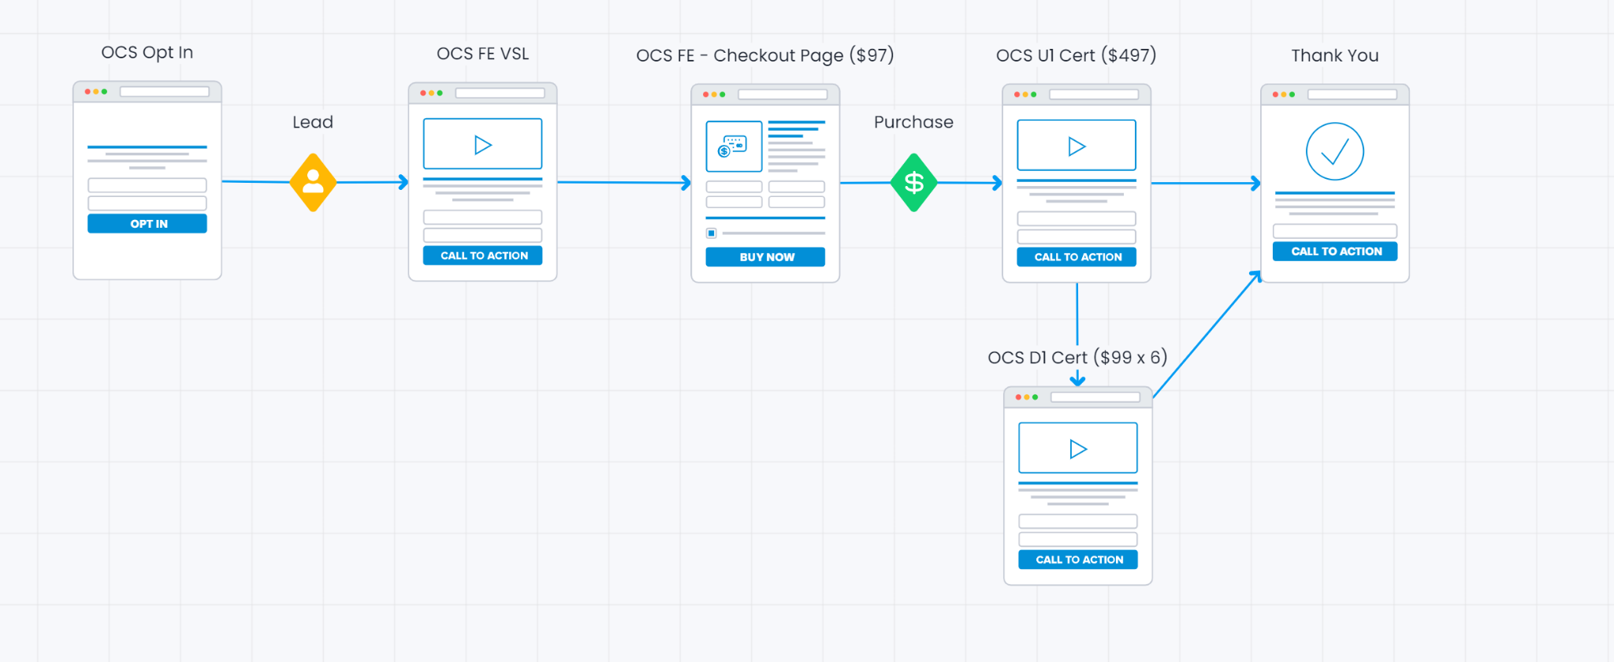

Links | A | B
OPTIN
FE VSL PAGE
FE CHECKOUT PAGE
UPSELL 1 VSL
DOWNSELL 1 SALES PAGE
THANK YOU PAGE

Trend - DATE (MMYYYY)
Gross Sales, Net Sales and Refunds
Date | Gross Sales | Net Sales | Refunds
2021-07-01 | $90,060.64 | $68,887.47 | $4,503.03
2021-07-02 | $69,096.33 | $51,209.48 | $3,454.82
2021-07-03 | $42,935.99 | $30,817.80 | $2,146.80
2021-07-04 | $49,454.33 | $36,838.26 | $2,472.72
2021-07-05 | $70,463.99 | $40,776.39 | $3,523.20
2021-07-06 | $58,266.33 | $39,111.64 | $2,913.32
2021-07-07 | $54,042.32 | $25,255.19 | $2,702.12
2021-07-08 | $75,203.66 | $51,824.41 | $3,760.18
2021-07-09 | $76,723.32 | $53,240.19 | $3,836.17
2021-07-10 | $51,651.65 | $37,407.07 | $2,582.58
2021-07-11 | $28,405.00 | $19,389.23 | $1,420.25
2021-07-12 | $41,568.66 | $19,214.49 | $2,078.43
2021-07-13 | $44,292.32 | $15,847.71 | $2,214.62
2021-07-14 | $63,116.98 | $39,630.51 | $3,155.85
2021-07-15 | $59,092.00 | $36,023.53 | $2,954.60
2021-07-16 | $68,697.32 | $51,667.99 | $3,434.87
2021-07-17 | $26,387.00 | $16,990.70 | $1,319.35
2021-07-18 | $27,011.99 | $14,254.83 | $1,350.60
2021-07-19 | $67,820.01 | $43,977.44 | $3,391.00
2021-07-20 | $44,962.99 | $24,473.23 | $2,248.15
2021-07-21 | $58,493.00 | $31,237.73 | $2,924.65
2021-07-22 | $57,802.65 | $46,140.46 | $2,890.13
2021-07-23 | $32,873.33 | $17,395.33 | $1,643.67
2021-07-24 | $12,992.00 | $2,259.94 | $649.60
2021-07-25 | $13,656.99 | $3,969.35 | $682.85
2021-07-26 | $34,484.33 | $16,193.53 | $1,724.22
2021-07-27 | $34,742.66 | $20,515.72 | $1,737.13
2021-07-28 | $32,431.34 | $20,162.30 | $1,621.57
2021-07-29 | $59,144.65 | $48,963.12 | $2,957.23
2021-07-30 | $31,469.33 | $22,404.49 | $1,573.47
2021-07-31 | $35,281.33 | $26,910.29 | $1,764.07

